Sum
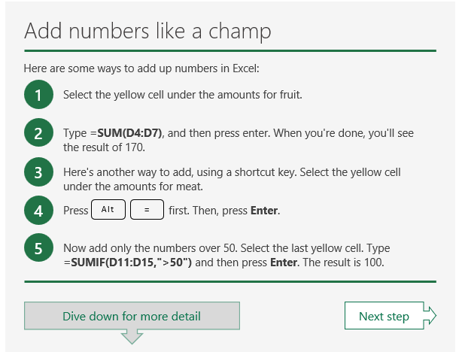
 | RandomNums |  | RandomNumsIF <50
 | 53 |  | 90
 | 71 |  | 85
 | 53 |  | 52
 | 17 |  | 95
 | 37 |  | 79
 | 75 |  | 48
 | 60 |  | 92
 | 46 |  | 15
 | 52 |  | 2
 | 95 |  | 81
 | 39 |  | 32
 | 87 |  | 67
 | 49 |  | 37
 | 99 |  | 30
 | 7 |  | 60
 | 21 |  | 63
 | 1 |  | 40
 | 95 |  | 46
 | 17 |  | 16
 | 81 |  | 85
SUM: | 1055 | SUM: | 266

Fill
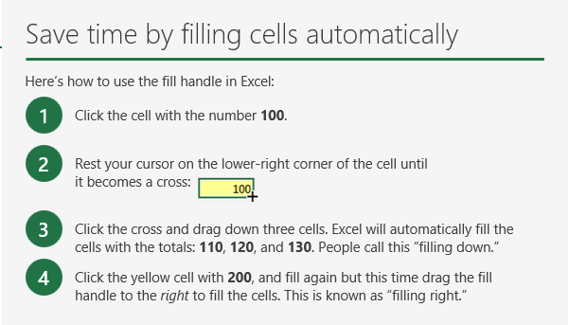
This: | Plus this: | Equals: | Plus this: | Equals:
50 | 50 | 100 | 75 | 175
50 | 60 | 110 | 75
50 | 70 | 120 | 75
50 | 80 | 130 | 75

This: | Plus this: | Equals: | Plus this: | Equals:
50 | 50 | 100 | 75 | 175
50 | 60 | 110 | 75 | 185
50 | 70 | 120 | 75 | 195
50 | 80 | 130 | 75 | 205
200 | 260 | 460 | 300 | 760

Dept. | Category | Product | Count
Produce | Fruit | Apple | 100
Produce | Fruit | Orange | 200 |  | COPY text with filling
Produce | Fruit | Banana | 50
Produce | Fruit | Pears | 100



 | Jan | Feb | Mar
Week 1 | 35 | 44 | 79 |  | Continue series
Week 2 | 74 | 64 | 56
Week 3 | 82 | 50 | 83
Week 4 | 90 | 22 | 89

Split
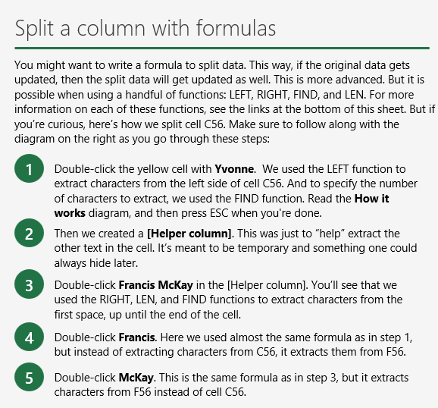
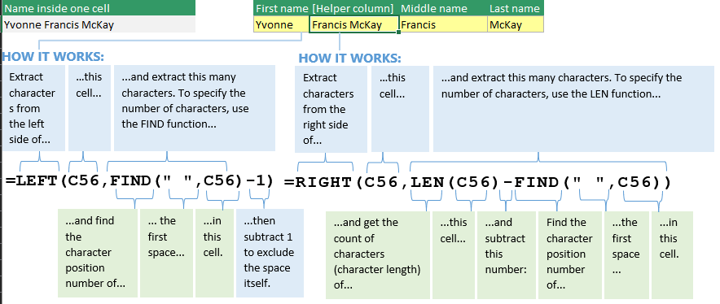
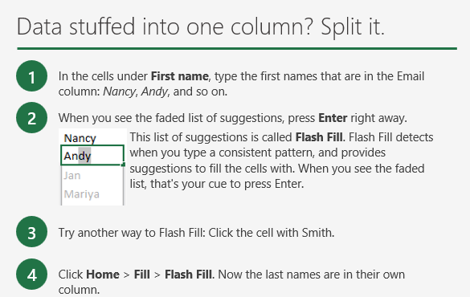
Email | First name | Last name
Nancy.Smith@contoso.com | Nancy | Smith
Andy.North@fabrikam.com | Andy | North
Jan.Kotas@relecloud.com | Jan | Kotas
Mariya.Jones@contoso.com | Mariya | Jones
Yvonne.McKay@fabrikam.com | Yvonne | McKay

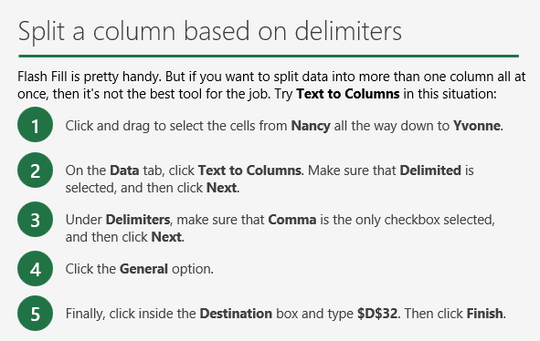
Data | First name | Last name | Company name
Nancy,Smith,Contoso Ltd. | Nancy | Smith | Contoso Ltd.
Andy,North,Fabrikam Inc. | Andy | North | Fabrikam Inc.
Jan,Kotas,Relecloud | Jan | Kotas | Relecloud
Mariya,Jones,Contoso Ltd. | Mariya | Jones | Contoso Ltd.
Steven,Thorpe,Relecloud | Steven | Thorpe | Relecloud
Michael,Neipper,Fabrikam Inc. | Michael | Neipper | Fabrikam Inc.
Robert,Zare,Relecloud | Robert | Zare | Relecloud
Yvonne,McKay,Contoso Ltd. | Yvonne | McKay | Contoso Ltd.

Transpose
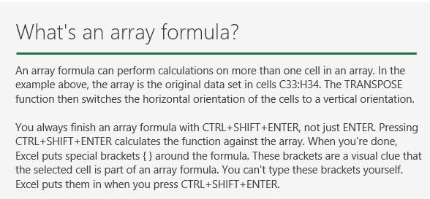
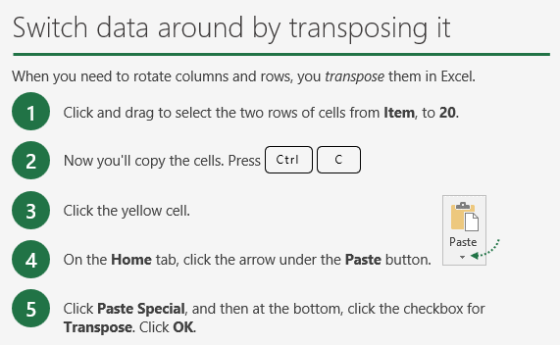
Item | Bread | Donuts | Cookies | Cakes | Pies
Amount | 50 | 100 | 40 | 50 | 20

Item | Amount
Bread | 50
Donuts | 100
Cookies | 40
Cakes | 50
Pies | 20

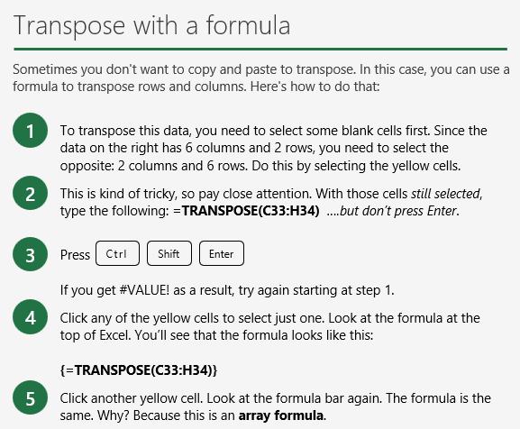

Item | Bread | Donuts | Cookies | Cakes | Pies
Amount | 50 | 100 | 40 | 50 | 20

Item | Amount
Bread | 50
Donuts | 100
Cookies | 40
Cakes | 50
Pies | 20

Sort & Filter
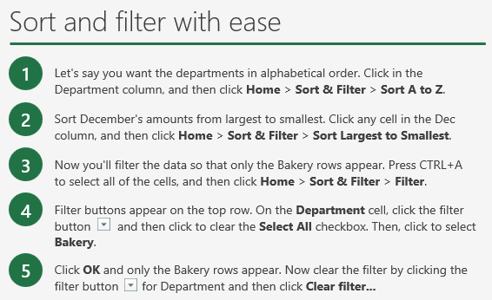
Department | Category | Oct | Nov | Dec
Bakery | Desserts | $25,000.00 | $80,000.00 | $120,000.00
Bakery | Breads | $30,000.00 | $15,000.00 | $20,000.00
Deli | Salads | $90,000.00 | $35,000.00 | $25,000.00
Deli | Sandwiches | $80,000.00 | $40,000.00 | $20,000.00
Meat | Beef | $90,000.00 | $110,000.00 | $120,000.00
Meat | Chicken | $75,000.00 | $82,000.00 | $2,000,000.00
Produce | Fruit | $10,000.00 | $30,000.00 | $40,000.00
Produce | Veggies | $30,000.00 | $80,000.00 | $30,000.00


Expense date | Employee | Food | Hotel
2023-08-16 | Laura | $45 | $5,050
2023-08-19 | Jackie | $21 | $3,820
2023-08-21 | Tricia | $30 | $3,085
2023-08-15 | Dave | $25 | $1,611
2023-08-17 | Jeff | $69 | $528
2023-08-18 | Mark | $62 | $2,112

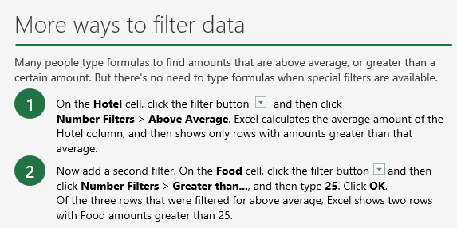
Expense date | Employee | Food | Hotel
2023-08-19 | Jackie | $21 | $3,820
2023-08-18 | Mark | $62 | $2,112
2023-08-21 | Tricia | $30 | $3,085
2023-08-15 | Dave | $25 | $1,611
2023-08-16 | Laura | $45 | $5,050
2023-08-17 | Jeff | $69 | $528

Tables
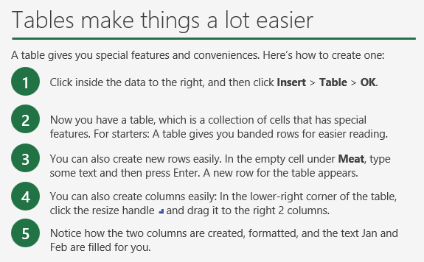
Department | Category | Oct | Nov | Dec | Jan | Feb
Produce | Veggies | 30000 | 80000 | 30000
Produce | Fruit | 10000 | 30000 | 40000
Bakery | Breads | 30000 | 15000 | 20000
Bakery | Desserts | 25000 | 80000 | 120000
Deli | Sandwich | 80000 | 40000 | 20000
Deli | Salads | 90000 | 35000 | 25000
Meat | Beef | 90000 | 110000 | 200000
Meat | Chicken | 75000 | 82000 | 150000
Misc | Toiler | 75000 | 82000 | 150000

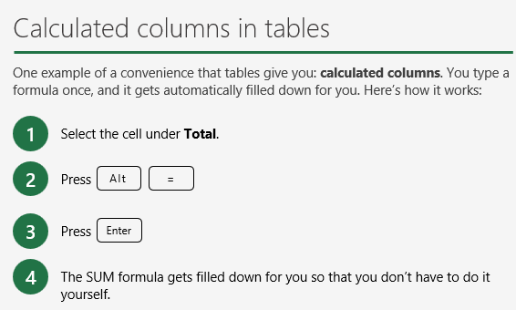
Department | Category | Oct | Nov | Dec | Total
Produce | Veggies | $30,000.00 | $80,000.00 | $30,000.00 | $140,000.00
Produce | Fruit | $10,000.00 | $30,000.00 | $40,000.00 | $80,000.00
Bakery | Breads | $30,000.00 | $15,000.00 | $20,000.00 | $65,000.00
Bakery | Desserts | $25,000.00 | $80,000.00 | $120,000.00 | $225,000.00
Deli | Sandwiches | $80,000.00 | $40,000.00 | $20,000.00 | $140,000.00
Deli | Salads | $90,000.00 | $35,000.00 | $25,000.00 | $150,000.00
Meat | Beef | $90,000.00 | $110,000.00 | $200,000.00 | $400,000.00
Meat | Chicken | $75,000.00 | $82,000.00 | $150,000.00 | $307,000.00

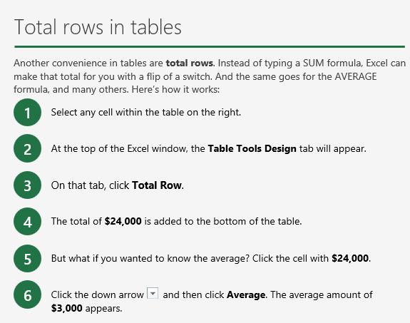
Department | Category | Sales
Produce | Veggies | $1,000.00
Produce | Fruit | $2,000.00
Bakery | Breads | $3,000.00
Bakery | Desserts | $1,000.00
Deli | Sandwiches | $2,000.00
Deli | Salads | $3,000.00
Meat | Beef | $4,000.00
Meat | Chicken | $8,000.00
Total |  | $3,000

Drop-Down
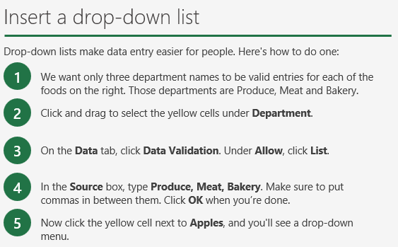
Food | Department
Apples | Produce
Beef | Meat
Bananas | Produce
Lemons | Produce
Broccoli | Produce
Kale | Produce
Ham | Meat
Bread | Bakery
Chicken | Meat
Cookies | Bakery
Cakes | Bakery
Pies | Bakery

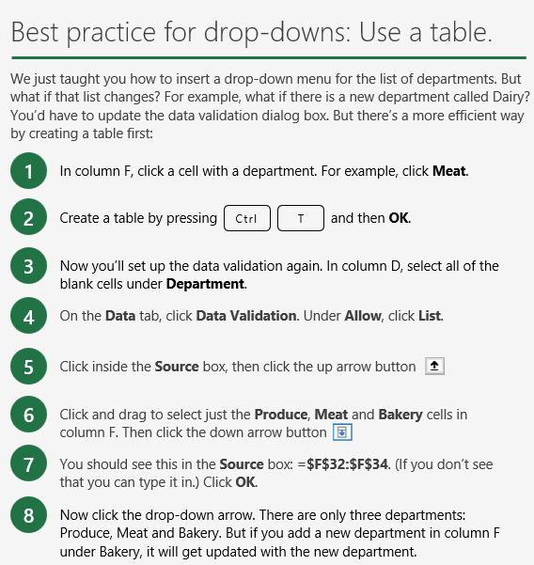
Food | Department | Department
Apples |  | Produce
Beef |  | Meat
Bananas |  | Bakery
Lemons |  | Stuff
Broccoli
Kale
Ham
Bread
Chicken
Cookies
Cakes
Pies

Analyze
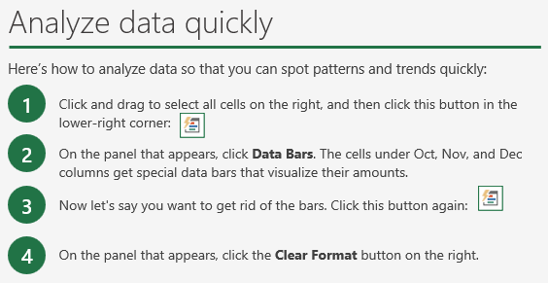
Department | Category | Oct | Nov | Dec
Produce | Veggies | $30,000.00 | $80,000.00 | $30,000.00
Produce | Fruit | $10,000.00 | $30,000.00 | $40,000.00
Bakery | Breads | $30,000.00 | $15,000.00 | $20,000.00
Bakery | Desserts | $25,000.00 | $80,000.00 | $120,000.00
Deli | Sandwich | $80,000.00 | $40,000.00 | $20,000.00
Deli | Salads | $90,000.00 | $35,000.00 | $25,000.00
Meat | Beef | $90,000.00 | $110,000.00 | $200,000.00
Meat | Chicken | $75,000.00 | $82,000.00 | $150,000.00

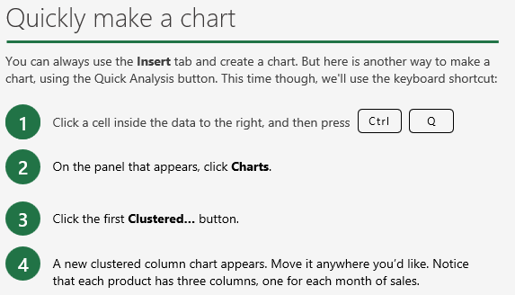
Department | Category | Oct | Nov | Dec
Bakery | Breads | $30,000.00 | $15,000.00 | $20,000.00
Bakery | Desserts | $25,000.00 | $80,000.00 | $120,000.00
Deli | Sandwiches | $80,000.00 | $40,000.00 | $20,000.00
Deli | Salads | $90,000.00 | $35,000.00 | $25,000.00
Meat | Beef | $90,000.00 | $110,000.00 | $200,000.00
Meat | Chicken | $75,000.00 | $82,000.00 | $150,000.00
Produce | Veggies | $30,000.00 | $80,000.00 | $30,000.00
Produce | Fruit | $10,000.00 | $30,000.00 | $40,000.00

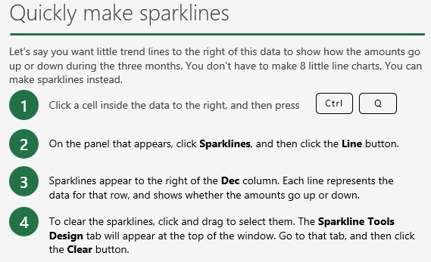
Department | Category | Oct | Nov | Dec
Bakery | Breads | $30,000.00 | $15,000.00 | $20,000.00
Bakery | Desserts | $25,000.00 | $80,000.00 | $120,000.00
Deli | Sandwiches | $80,000.00 | $40,000.00 | $20,000.00
Deli | Salads | $90,000.00 | $35,000.00 | $25,000.00
Meat | Beef | $90,000.00 | $110,000.00 | $200,000.00
Meat | Chicken | $75,000.00 | $82,000.00 | $150,000.00
Produce | Veggies | $30,000.00 | $80,000.00 | $30,000.00
Produce | Fruit | $10,000.00 | $30,000.00 | $40,000.00

Charts

Year | Conference attendance
2018 | 500
2019 | 800
2020 | 1000
2021 | 900
2022 | 1000
2023 | 1200

